Biodiesel Fraction
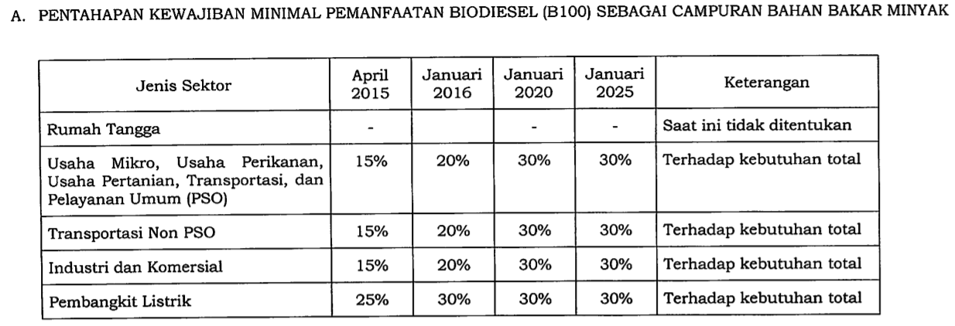
Indonesia gas mandatory B30 (biodiesel-solar) policy for on-road vehicles, meaning that 30% of diesel used must be from biodiesel.

